Single Riser
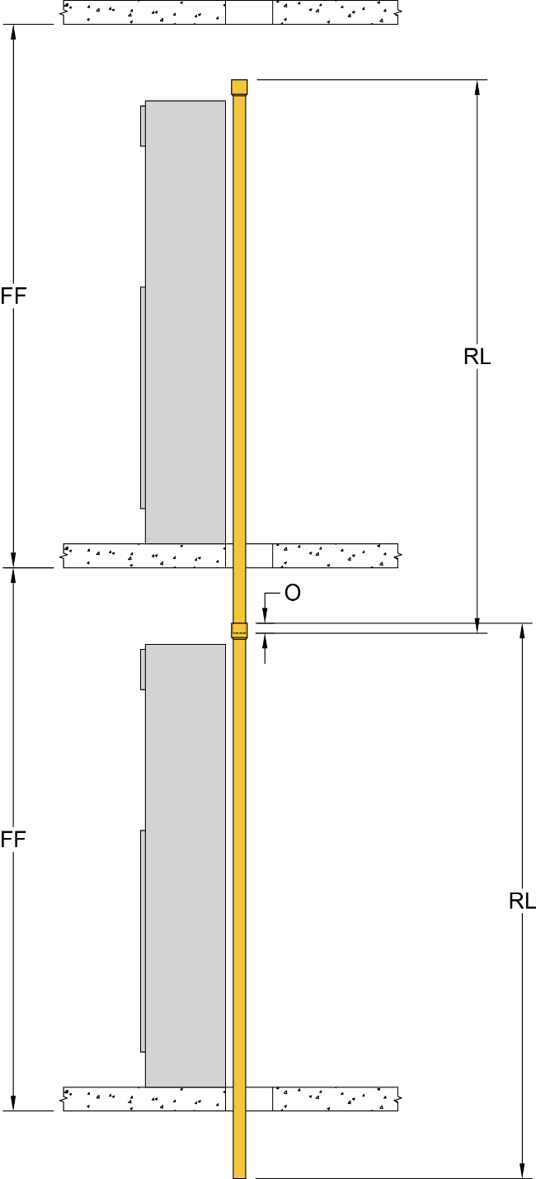

Whalen Riser Length Calculator
 | Select from drop down menus below
Select Riser Length and Riser Finish | 9' Riser - Swage |  |  | Riser
Select Riser Size | 2.00 |  |  | Length
9' Riser - Swage (RL) |  |  |  | 106.875
Riser Insertion / Overlap (O) |  |  |  | 1
Effective Riser Length |  |  |  | 105.875
 |  | Feet | Inches | Total
FF = Finished Floor to Finished Floor |  | 9 | 11 | 119
Needed Extension Piece |  |  |  | 13.125
Actual Extension Piece (Rounded up to next foot) |  |  |  | 24
Notes:
Standard Supply / Return risers do not have a Swage
Standard Drain risers include a Swage
Optional Supply / Return risers Swage avaiable on 0.75" thru 3.00"
** The above calculation also assumes the riser inserts into the Swage 1"
Optional Riser Transition examples
* Increase Transition (+) Swage - Take a 1.25" and make it good to accept a 1.50" riser
*Decrease Transition (-) Swage - Take a 2.50" and make it good to accept a 2.00" riser
# PLEASE NOTE TRANSITIONS ARE AVAILABLE FOR ONE (1) PIPE SIZE CHANGE ONLY
** PLEASE NOTE THAT A DECREASE TRANSITIONS IS NOT AVAIABLE (N/A) ON A 0.75" RISER
** PLEASE NOTE THAT AN INCREASE TRANSITIONS IS NOT AVAIABLE (N/A) ON A 4.00" RISER

Multiple Risers
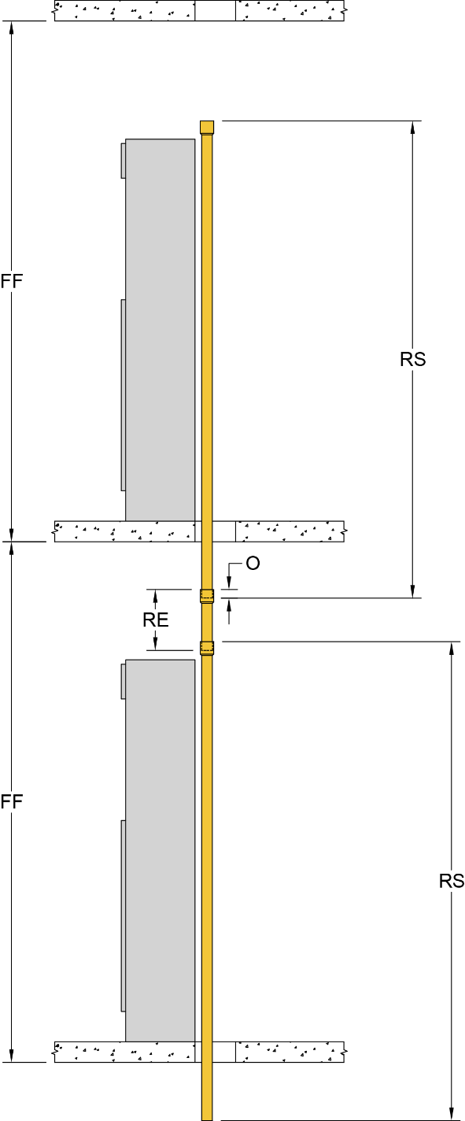
Whalen Riser Length Calculator
 | Finished Floor to Finished Floor |  |  | Select from drop down menus below |  |  |  | Effective | Extension Piece (RE)
 | Feet | Inches | Total Inches | Riser Type | Riser Size | Length | Overlap (O) | Riser Length | Actual | Needed
Floor 1 | 9 | 0 | 108 | 9' Riser - Swage | 0.75 | 105.75 | 1 | 103.75 | 4.25 | 12
Floor 2 | 9 | 8 | 116 | 9' Riser - Swage | 0.75 | 105.75 | 1 | 103.75 | 12.25 | 24
Floor 3 | 9 | 4 | 112 | 9' Riser - Swage | 0.75 | 105.75 | 1 | 103.75 | 8.25 | 12
Floor 4 | 10 | 4 | 124 | 9' Riser - Decrease Transition (-) Swage | 1.00 | 106.24 | 1 | 104.24 | 19.76 | 24
Floor 5 | 10 | 9 | 129 | 9' Riser - Swage | 1.00 | 105.75 | 1 | 103.75 | 25.25 | 36
Floor 6 | 11 | 0 | 132 | 9' Riser - Swage | 1.00 | 105.75 | 1 | 103.75 | 28.25 | 36
Floor 7 | 12 | 4 | 148 | 9' Riser - Swage | 1.00 | 105.75 | 1 | 103.75 | 44.25 | 48
Floor 8 | 9 | 4 | 112 | 9' Riser - Decrease Transition (-) Swage | 1.25 | 106.24 | 1 | 104.24 | 7.76 | 12
Floor 9 | 9 | 4 | 112 | 9' Riser - Swage | 1.25 | 105.75 | 1 | 103.75 | 8.25 | 12
Floor 10 |  |  |  | -- | --
Floor 11 |  |  |  | -- | --
Floor 12 |  |  |  | -- | --
Floor 13 |  |  |  | -- | --
Floor 14 |  |  |  | -- | --
Floor 15 |  |  |  | -- | --
Floor 16 |  |  |  | -- | --
Floor 17 |  |  |  | -- | --
Floor 18 |  |  |  | -- | --
Floor 19 |  |  |  | -- | --
Floor 20 |  |  |  | -- | --
Floor 21 |  |  |  | -- | --
Floor 22 |  |  |  | -- | --
Floor 23 |  |  |  | -- | --
Floor 24 |  |  |  | -- | --
Floor 25 |  |  |  | -- | --
Floor 26 |  |  |  | -- | --
Floor 27 |  |  |  | -- | --
Floor 28 |  |  |  | -- | --
Floor 29 |  |  |  | -- | --
Floor 30 |  |  |  | -- | --
Floor 31 |  |  |  | -- | --
Floor 32 |  |  |  | -- | --
Floor 33 |  |  |  | -- | --
Floor 34 |  |  |  | -- | --
Floor 35 |  |  |  | -- | --
Floor 36 |  |  |  | -- | --
Floor 37 |  |  |  | -- | --
Floor 38 |  |  |  | -- | --
Floor 39 |  |  |  | -- | --
Floor 40 |  |  |  | -- | --
Floor 41 |  |  |  | -- | --
Floor 42 |  |  |  | -- | --
Floor 43 |  |  |  | -- | --
Floor 44 |  |  |  | -- | --
Floor 45 |  |  |  | -- | --
Floor 46 |  |  |  | -- | --
Floor 47 |  |  |  | -- | --
Floor 48 |  |  |  | -- | --
Floor 49 |  |  |  | -- | --
Floor 50 |  |  |  | -- | --

 |  |  |  |  | Riser |  | Extension Count
 |  |  |  |  | Size | Riser Count | 12 | 24 | 36 | 48
 |  |  |  |  | 0.75 | 3 | 2 | 1 | 0 | 0
 |  |  |  |  | 1.00 | 4 | 0 | 1 | 2 | 1
 |  |  |  |  | 1.25 | 2 | 2 | 0 | 0 | 0
 |  |  |  |  | 1.50 | 0 | 0 | 0 | 0 | 0
 |  |  |  |  | 2.00 | 0 | 0 | 0 | 0 | 0
 |  |  |  |  | 2.50 | 0 | 0 | 0 | 0 | 0
 |  |  |  |  | 3.00 | 0 | 0 | 0 | 0 | 0
 |  |  |  |  | 4.00 | 0 | 0 | 0 | 0 | 0
 |  |  |  |  | Totals | 9 | 4 | 2 | 2 | 1
 |  |  |  |  | NOTE: Riser count is for a single riser stack only, please check total
 |  |  |  |  | quantity needed based on application.

